Design
DR region North Europe
Prod- Spoke
vnet peering
API Management
Azure Firewall (HA)
API
Management
almp.americana.rest
App Gateway + WAF
UI Web VM
AKS (HA)
PSQL
KV
Redis
cache
ACR
Azure policies
Monitor
App insights
Log analytics
Azure defender
Inbound traffic from internet controlled via WAF
Outbound traffic to internet from the resource controller via Firewall
Storage
Account
Prod- HUB
vnet peering
App Gateway + WAF
UI Web VM
AKS (HA)
PSQL
(Read Replica)
KV
Redis
cache
ACR
Storage
Account
Azure Firewall (HA)
Primary region UAE North (Availability Zone 0)
HD Stores/
Fleet Controllers
Rider / Driver
1
2
3
Azure Traffic Manager
PSQL Replication

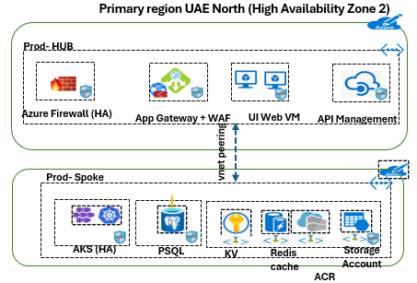
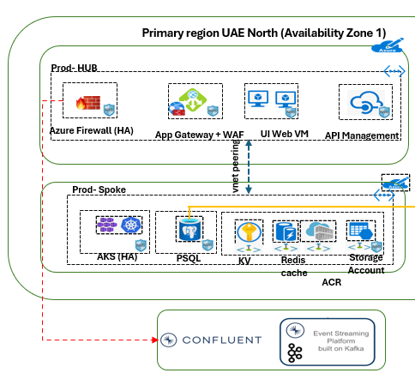
Data Center - 1
DR Data Center (Single AZ)
Data Center - 2
Data Center - 2

 | Environment Readiness - Timeframes

 | 1. Automated Critical Outage in UAE North Alerts - 5 minutes (max)
 | 2. Traffic Manager Switchover/Switchback - 2 minutes (max)
 | 3. DR Database Instance Readiness - 10 minutes (DB RW from Read Only)
 | 4. DB Correction Post failover - 5 minutes
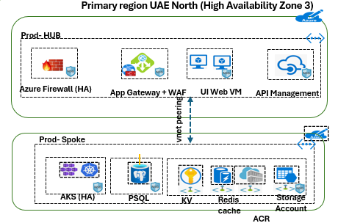
 | * Total time observed in recent mock DR drills for the environment - 25 minutes (approx)
Data Center - 3

 | Additional Infromation

Primary Cluster in UAE
DR Cluster in Europe
 | 1. Retry from iPaaS can be managed during the DR:
 | 1.1 For SDM Orders Cases - 4 minutes
 | 1.2 For BSP Order Cases - 13 munutes
 | 2. Requested to increase the order hold queue and retrial for ALM P DR Scenarios:
Data Center - 1
 | 2.1 For all the orders sources - 45 minutes
 | 3. iPaaS order hold time mechanism is configuration based which can be updated on request in cases of DR situation occurs and using retry can control the delivery order loss.

1. Azure Traffic Manager as a global component has restrctions with Azure Firewall.
2. Replication can be enabled in PostgreSQL DB in DR region only when read-replica.
3. Confluent clouster in two region topic sync feature unavailable and using replicator in future can be used.
Data Center - 2
Data Center - 2
Data Center - 2
Data Center - 2

Future Active-Active Plan:
1. Evaluate and execute with Akamai solutions for Global Load Balancer and WAF to deal with the current restrictions with Microsoft Azure Traffic Manager.
2. Confluent replicator services for real time sync between the primary and DR kafka clusters to get ready in real time.
3. Evaluate & execute PSQL PaaS auto promote to primary with read write. (As per current status the feature is in preview mode)

End-to-End Flow
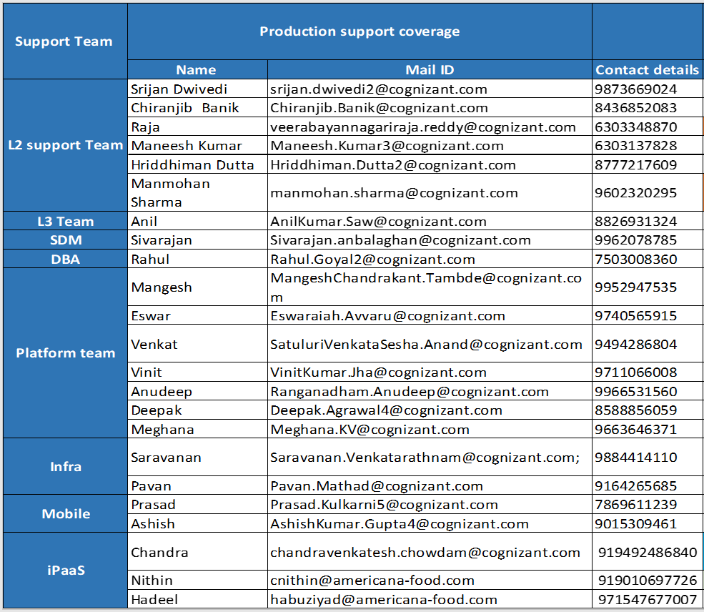
ALMP Disaster Recovery End-to-End Process Workflow

Azure Health Status for UAE North Confirmed
https://azure.status.microsoft/en-us/status
Disaster in UAE North
L1 Support (24x7)

Americana Core Team
Natural disasters
Human-made disasters
Pandemics
Other potential threats

End

Cr
https://azure.status.microsoft/en-us/status

Quick Response Team Structure Details

L1, L2 and L3 Support from Partner Team | Americana Core and Dependent Partners Team

Failover Runbook - Europe
ALMP Failover Runbook

Failover Sequence Summary
1. Disable inflow traffic - Disable the Primary “Traffic manager” endpoint.
2. Validate data sync-up by verifying the “replica lag” and promote to read/write mode.
3. Enable the DR “Traffic manager” endpoint.

Step 1: Disable inflow traffic - Disable the Primary “Traffic manager” Endpoint

ALMP “Traffic Manager” managed with two endpoints.
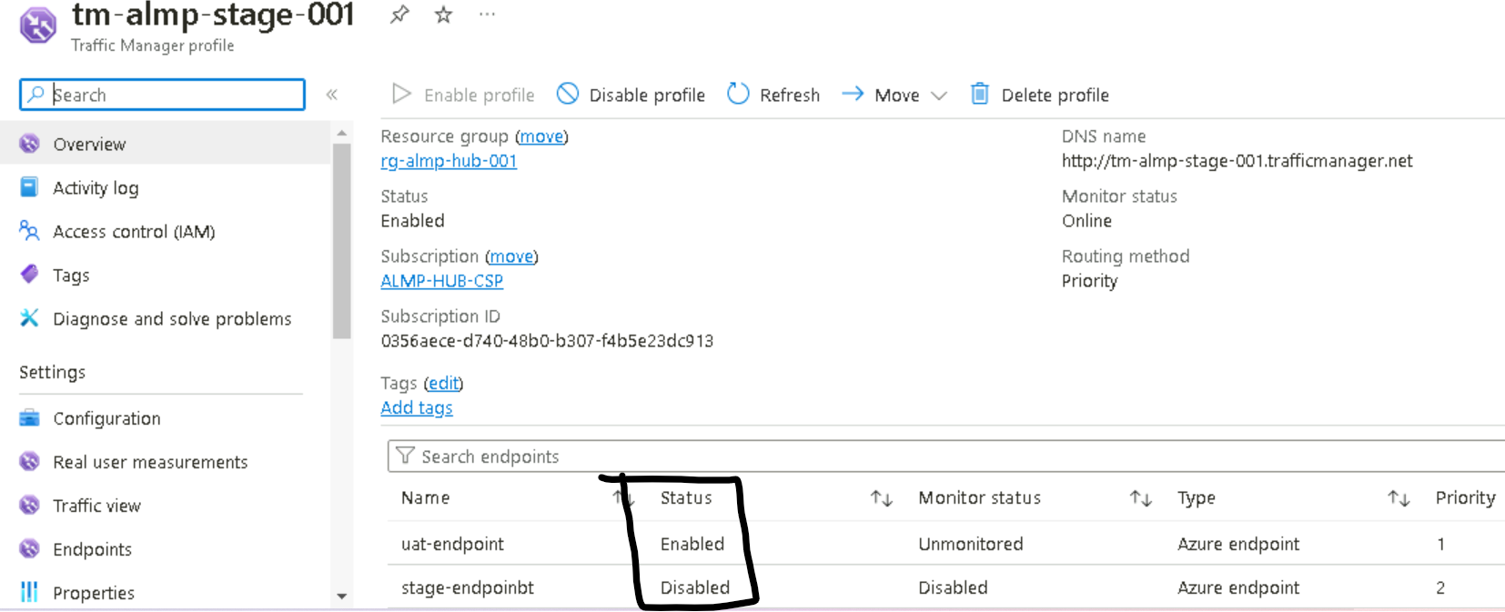

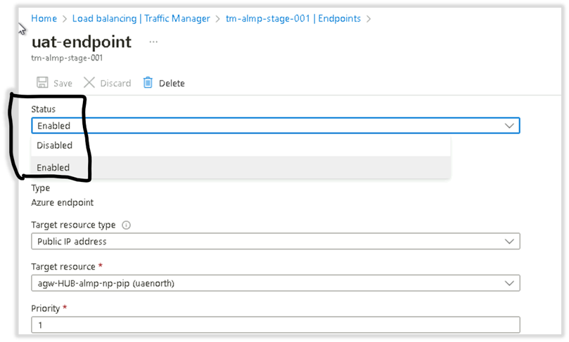
Disable the “primary” endpoint, select Endpoints-> Disabled.

Step 2: Validate data sync-up by verifying the “replica lag”.

Current list of Prod DB instances

Current DR instances

Note: Validate the replica lag on each DB instance, ensure there is no lag beyond 15 mins. For this validation select the DR instance -> select “Replication.”
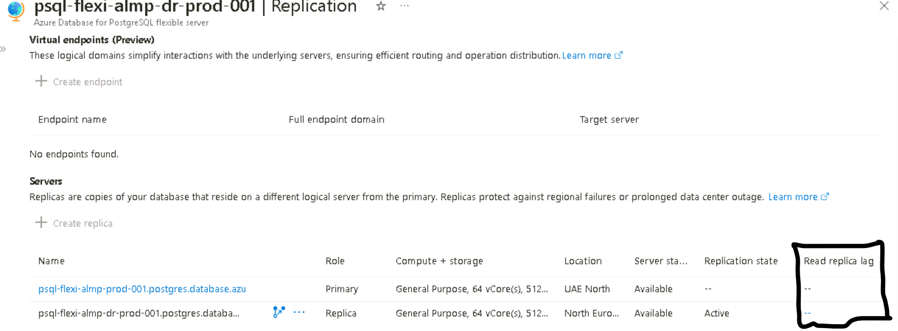

3) Promote the DR DB instances “read/write.”

Step 3: Promote the DR DB Instances to be "read/write"

To enable the failover, select the “DR” DB instance home page and click “Promote”.

Select the options "Promote to independent server …" as mentioned with the below screen:
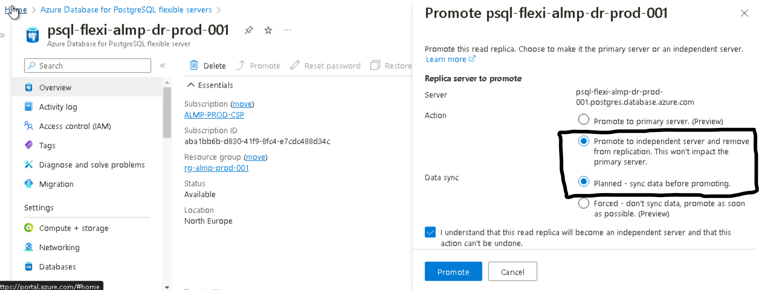

Upon a successful “Promotion”, check the DR DB state, it should be in available state.

Start performing the operations for all the DB instances.

Step 4: Enable DR "Traffic Manager" Endpoint to Route to DR Region

Select the DR endpoint and mark the status as "Enabled" with below health check option:
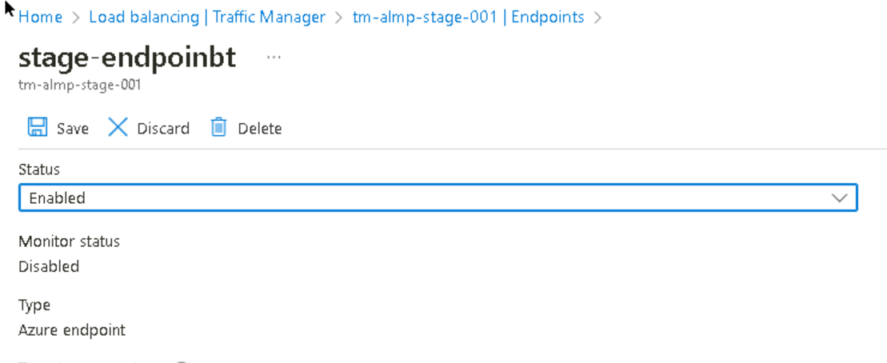

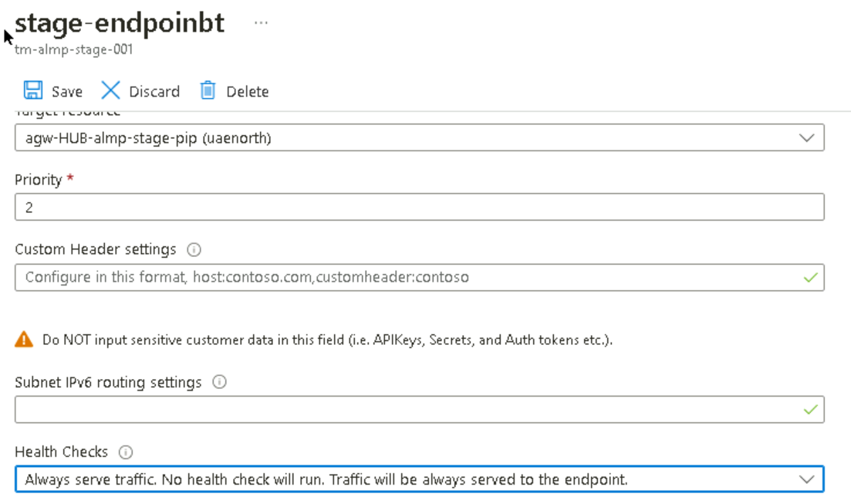

Failover process has been completed which needs a quick sanity of the current production environment which is running on DR region to further release and handover to the business to resume the operations.

Failback Runbook - UAE
ALMP Failback Runbook

Failback Sequence Summary
The failback can be performed in following steps:

1. Delete the “Primary DB and Create replica from “North Europe” to “UAE North” with the same name by taking the backup of the older instances for future references.
2. “Promote” the primary DB to “read/write” and switch the “Traffic manager” endpoints.
3. Delete the DR DB and recreate the “replica” from “UAE north” to “North Europe”
4. Enable Primary endpoint to allow traffic from Primary Region "UAE North".

Step 1: Existing DB Backup, Cleanup and New "Replica" Instances in the Primary Region

Backup and cleanup the old DB instances in primary region

Creation of new replica instances from "North Europe" to "UAE North"
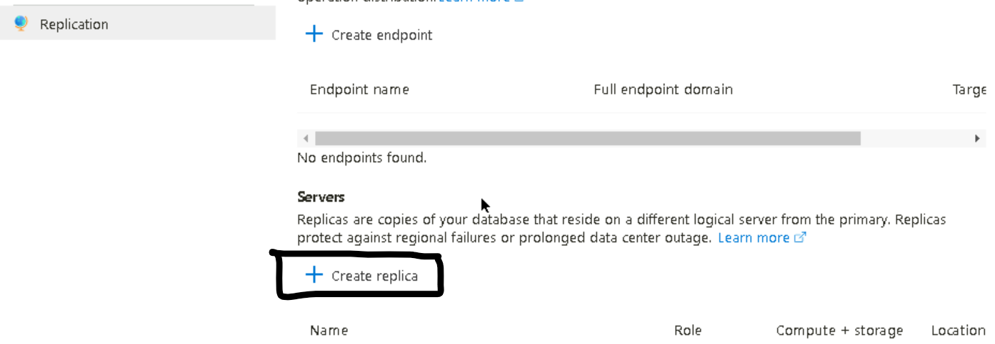

Validation for the replica instances status under the replication section

Step 2: “Promote” the Primary DB to “Read/Write” and Switch the “Traffic manager” endpoint route to the Primary Region.

Traffic Manager failback to Primary Region "UAE North"

Promote UAE North DB Instances to be "Read/Write"

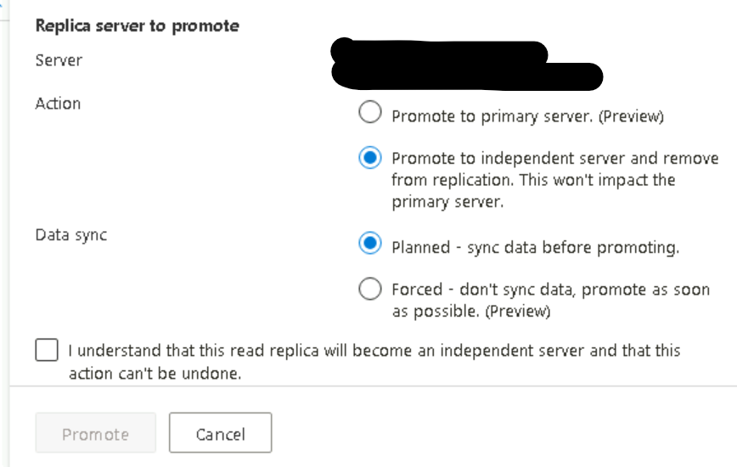

Step 3: From Traffic Manager Enable the Primary Endpoint to Allow Traffic from Primary Region (UAE North)

Note: Once all the validation completed successfully, recreate the “replica” from “UAE-North” to “North-Europe”.

Failover process has been completed which needs a quick sanity of the current production environment which is running on DR region to further release and handover to the business to resume the operations.

Failover Sequence
Automated Critical
Alerts

L1 Support Team & Core Team

Alerts Critical in UAE North?

YES
NO

Escalate to L2, L3 Support Team Americana team
Check for False-Positive Alerts and Conclude with Quick Prod Sanity and Document.

Failover Required?

YES
NO

Get Approvals for Failover to North Europe
Working on the fix and get a ETA from support team

Execute Failover Runbook & Production Santity.

Alternative Solutions
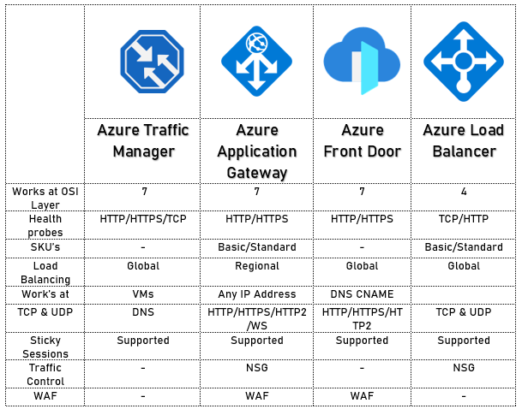
Azure Traffic Manager Alternative Solutions

DR Plan
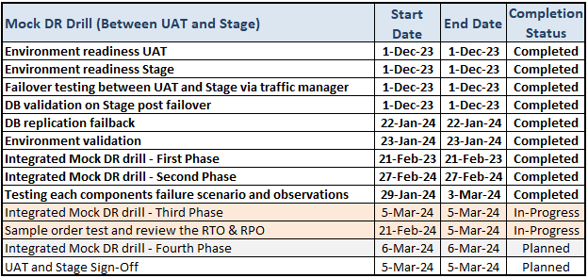
ALMP Disaster Recovery Timeline with UAT & Stage

ALMP Disaster Recovery Timeline with Prod & Prod-DR

MockDrill_Phase_I
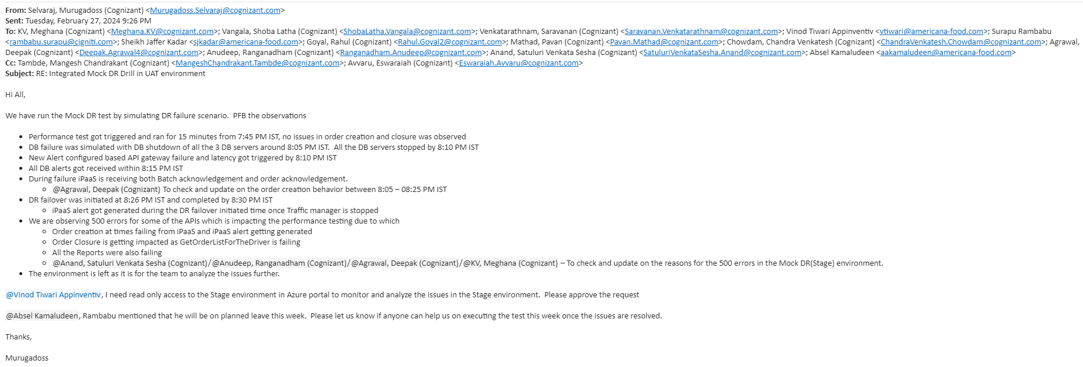
Summary of Mock Drill Observations:
 | 1. Batch acknowledgement and order acknowledgement issues observed at iPaaS Layer.
 | 2. Order creation and order closure a few APIs throwing 5xx errors partially.
 | 3. All the reports were failing during the transition to DR drill.
 | 4. Some confluent new cluster configuration mismatch found.

MockDrill_Phase_III-In-Progress
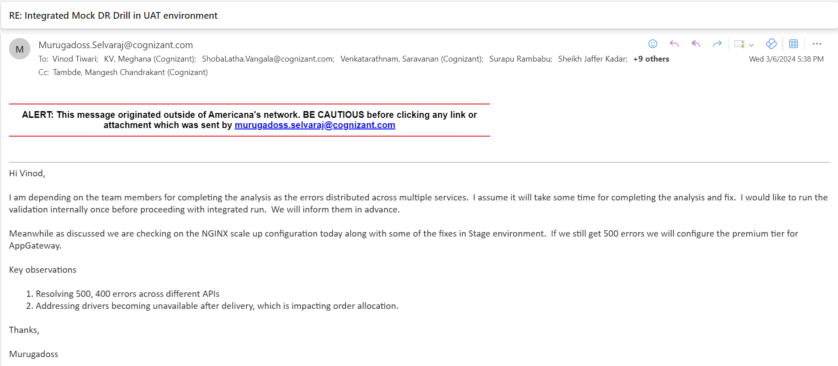
Summary of Mock Drill Observations:
 | 1. Some api error (500,400) resolution in DR environment post failover.
 | 2. Driver unavailability after delivery issue in DR environment post failover.

Thanks
THANK YOU!

